Summary NWS_17-18May
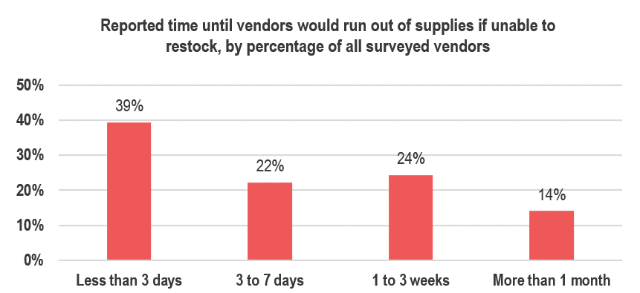
Summary of key findings for northwest Syria (NWS): 17-18 May, 2020 333 vendor key informants (KIs) in 37 markets in NWS were surveyed for this assessment between 17-18 May

 | SHOPS REMAINED OPEN ACROSS ASSESSED MARKETS IN NWS | MEDIAN OF LOWEST REPORTED PRICES FOR MONITORED ITEMS IN NWS
Out of 333 surveyed vendors across 37 larger community markets in NWS, no vendors reported that markets in their community had completely stopped functioning due to COVID-19, and no surveyed vendors reported having closed their shops as a result of COVID-19. Additionally, when asked if they knew of the closure of essential shops in communities (including bakeries, butcher shops, pharmacies, bulk and fresh food shops, and more) due to COVID-19, only 1% of vendors reported such closures. As in the previous round, barriers to community members' access to markets reportedly remained similar to prior to COVID-19, where the only barrier perceived by vendors to be present was a lack of cash/ low purchasing power.
Median USD exchange rate
Two week change: 19%
1,745 SYP
 |  |  | Item (quantity) | Median price | Two week change
 |  | COVID-19 items | Plastic gloves (100 pcs.) | 7,600 SYP | 17%
 |  |  | Face masks (per piece) | 450 SYP | 13%
 |  |  | Hand sanitiser (500ml) | 2,500 SYP | 72%
 |  |  | Sterile alcohol (1L) | 7,600 SYP | 27%
 |  |  | Bottled bleach (1L) | 800 SYP | 23%
Across NWS, increasing volatility of the USD/SYP exchange rate was noted by REACH field teams. The median exchange rate in assessed communities reportedly increased by 19% since the previous round two weeks prior. This daily (and sometimes hourly) fluctuation had a notable impact on prices of monitored items; on average, prices increased by 15% across items.
The largest price increases were recorded for COVID-19-related items, including hand sanitiser and sterile alcohol. Of consumable items, red lentils, bottled drinking water, and sugar reportedly saw the most significant price increases, and manually refined diesel was the fuel type with the largest recorded price increase.
 | VENDORS REPORTED THAT LOW PURCHASING POWER CONTINUED TO LIMIT COMMUNITY MEMBERS' ACCESS TO MARKETS |  | Trash bags (roll of 30 pcs) | 1,750 SYP | 17%
 |  | Other monitored items | Flour (1kg) | 558 SYP | 17%
 |  |  | Rice (1kg) | 825 SYP | 18%
 |  |  | Bulgur (1kg) | 700 SYP | 17%
 |  |  | Red lentils (1kg) | 1,200 SYP | 26%
 |  |  | Sugar (1kg) | 950 SYP | 19%
 |  |  | Potatoes (1kg) | 238 SYP | -5%
 |  |  | Tomatoes (1kg) | 600 SYP | 9%
 |  |  | Chicken meat (1kg) | 1,900 SYP | 6%
 |  |  | Vegatable oil (1L) | 1,575 SYP | 17%
 |  |  | Eggs (30 eggs) | 1,300 SYP | 4%
 |  |  | Bread (8 pieces) | 350 SYP | -13%
 |  |  | Bottled drinking water (1L) | 150 SYP | 20%
 |  |  | Laundry powder (1kg) | 1000 SYP | 8%
 |  |  | Bathing soap (1 piece) | 225 SYP | 13%
 | * All NWS findings aggregated from governorate-level figures |  | Manually refined kerosine (1L) | 850 SYP | 6%
 |  |  | High quality petrol (1L) | 790 SYP | NA
 | PRICE INFLATION AND BORDER CLOSURE WERE THE MOST COMMONLY REPORTED SUPPLY CHALLENGES AMONG VENDORS |  | Manually refined petrol (1L) | 700 SYP | 0%
Price inflation was the most commonly reported supply issue across NWS, and was reported to a higher degree in Aleppo governorate (70% of vendors). Additionally, 24% of surveyed vendors in NWS reported that border closures had caused supply challenges.
Border closure was a more commonly reported supply challenge in Idleb governorate (30% of vendors), particularly in the community of Jisr-Ash-Shugur, and Bennsh. Additionally, 72% of all surveyed pharmacists and 61% of surveyed general food vendors in Idleb reported supply issues due to border closures. Notably, in Aleppo, border closure was a commonly reported challenge in Ghandorah community.
Road closure to/from communities was only reported by vendors in Aleppo governorate, particularly in Mare’ and Suran communities, where 22% of vendors reported this challenge in each location.
Challenges meeting demand was more commonly reported in Idleb governorate and was most commonly reported by pharmacy vendors (11%). Of those vendors reporting issues meeting demand in both governorates, 67% reported that they had run out of one or more items in the two weeks prior to data collection.
 |  |  | High quality deisel (1L) | 880 SYP | NA
 |  |  | Manually refined diesel (1L) | 750 SYP | 12%
 |  |  | Water trucking (1L) | 1.46 SYP | 10%

 |  | Methodology note: Regional medians were calculated by taking the combined median price reported by all vendors who sold each item. Vendors reported the lowest price for item types sold.

 | FOURTY-FIVE PERCENT (45%) OF VENDORS REPORTED INCREASED DEMAND IN THE TWO WEEKS PRIOR TO DATA COLLECTION
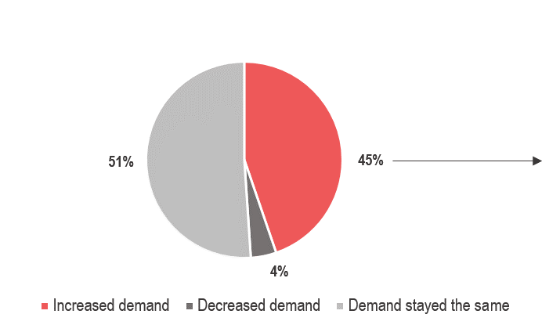

 | PHARMACISTS MOST COMMONLY REPORTED THEIR SUPPLY HAD BEEN COMPLETELY CUT IN THE TWO WEEKS PRIOR TO DATA COLLECTION

Compared to the previous round of data collection, with the exception of water trucking providers, more vendors of all types in Idleb reported that their supply had been cut in the two weeks prior to data collection.

 | INABILITY TO RESTOCK IF SUPPLY WAS CUT: PRIMARILY REPORTED BY PHARMACISTS IN IDLEB; MOST VENDORS IN NWS WOULD RUN OUT WITHIN A WEEK

