Summary NWS_04-06June
Summary of key findings for northwest Syria (NWS): 04-06 June, 2020 333 vendor key informants (KIs) in 37 markets in NWS were surveyed for this assessment between 04-06 June

 | 04-06 JUNE: SHOPS REMAINED OPEN ACROSS ASSESSED MARKETS IN NWS | MEDIAN PRICES FOR MONITORED ITEMS IN NWS, MEDIAN USD EXCHANGE RATE
Out of 333 surveyed vendors across 37 larger community markets in NWS, no vendors reported that markets in their community had completely stopped functioning due to COVID-19, and no surveyed vendors reported having closed their shops as a result of COVID-19. Additionally, when asked if they knew of the closure of essential shops in communities beacuse of COVID-19, no vendors reported such closures.
2,000 SYP
Median USD exchange rate
Two week change: 15%
One month change: 37%
 |  |  |  | Item (quantity) | Median price | Two week change | One month change
 |  |  | COVID-19 items | Plastic gloves (100 pcs.) | 7,600 SYP | 5% | 23%
 |  |  |  | Face masks (per piece) | 450 SYP | 11% | 25%
 |  |  |  | Hand sanitiser (500ml) | 2,500 SYP | 4% | 79%
 | PRICE INFLATION CONTINUED TO BE THE MOST COMMONLY REPORTED VENDOR SUPPLY CHALLENGE ACROSS NWS |  |  | Sterile alcohol (1L) | 7,600 SYP | 5% | 33%
As in previous rounds, price inflation was the most commonly reported supply issue across NWS. The number of vendors reporting this supply challenge in Idleb increased since the previous round (from 43% to 55%).
Border closure was a more commonly-reported supply challenge in Idleb governorate than Aleppo governorate. Furthermore, 72% of surveyed pharmacists and 61% of general food vendors in Idleb reported that border closures presented a challenge to their supply.
Challenges meeting demand was also a more prominent issue for vendors in Idleb governorate than Aleppo governorate. Pharmacists and general food vendors most commonly reported having issues meeting demand (reported by 28% of pharmacists and 17% of general food vendors).
Beyond challenges related to border closure and inability to meet demand, pharmacists in Idleb also most commonly reported that their suppliers either had limited stock (22%) or had run out of stock (17%) in the two weeks prior to data collection, creating additional challenges to supply.
PHARMACISTS IN IDLEB MOST COMMONLY REPORTED FACING VARIOUS SUPPLY CHALLENGES
 |  |  |  | Bottled bleach (1L) | 800 SYP | 13% | 38%
The Syrian pound reportedly continued to depreciate against the dollar on a daily (and even hourly) basis. The median recorded rate in assessed communities reached 2,000 SYP, representing a 15% increase over the past two weeks and a 37% increase over the past month.
On average, prices across monitored items increased at a similar rate of 15% in the past two weeks, and 28% in the past month.
Over the last two weeks, the largest price increases were recorded for bottled drinking water, eggs, and bread. Accrording to REACH field teams, these increases were largely due to increased demand for water as temperatures increased, the rising price of feed for chickens, and the cessation of subsidies for flour in some areas.
 |  |  |  | Trash bags (roll of 30 pcs) | 1,750 SYP | 14% | 33%
 |  |  | Other monitored items | Flour (1kg) | 558 SYP | 16% | 37%
 |  |  |  | Rice (1kg) | 825 SYP | 21% | 43%
 |  |  |  | Bulgur (1kg) | 700 SYP | 7% | 25%
 |  |  |  | Red lentils (1kg) | 1,200 SYP | 0% | 26%
 |  |  |  | Sugar (1kg) | 950 SYP | 18% | 41%
 |  |  |  | Potatoes (1kg) | 238 SYP | 5% | 0%
 |  |  |  | Tomatoes (1kg) | 600 SYP | -17% | -9%
 |  |  |  | Chicken meat (1kg) | 1,900 SYP | 13% | 19%
 | * All NWS findings aggregated from governorate-level figures |  |  | Vegatable oil (1L) | 1,575 SYP | 16% | 35%
 |  |  |  | Eggs (30 eggs) | 1,300 SYP | 31% | 36%
 |  |  |  | Bread (8 pieces) | 350 SYP | 31% | 14%
 |  |  |  | Bottled drinking water (1L) | 150 SYP | 33% | 60%
 | WATER TRUCKING PROVIDERS AND CURRENCY VENDORS MOST COMMONLY REPORTED INCREASED DEMAND IN THE TWO WEEKS PRIOR TO DATA COLLECTION |  |  | Laundry powder (1kg) | 1000 SYP | 20% | 30%
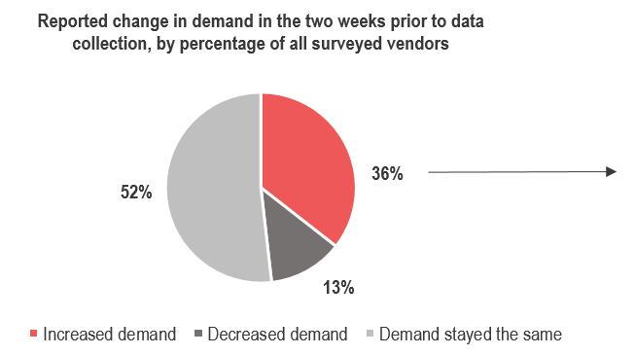
 |  |  |  | Bathing soap (1 piece) | 225 SYP | 11% | 25%
 |  |  |  | Manually refined kerosine (1L) | 850 SYP | 18% | 25%
 |  |  |  | High quality petrol (1L) | 790 SYP | 20% | NA
 |  |  |  | Manually refined petrol (1L) | 700 SYP | 25% | 25%
 |  |  |  | High quality deisel (1L) | 880 SYP | 16% | NA
 |  |  |  | Manually refined diesel (1L) | 750 SYP | 20% | 34%
 |  |  |  | Water trucking (1L) | 1.46 SYP | 7% | 17%

 |  |  | Methodology note: Regional medians were calculated by taking the combined median price reported by all vendors who sold each item. Vendors reported the lowest price for item types sold.

 | PHARMACISTS MOST COMMONLY REPORTED THEIR SUPPLY HAD BEEN COMPLETELY CUT IN THE TWO WEEKS PRIOR TO DATA COLLECTION

Compared to the previous round of data collection, with the exception of water trucking providers, more vendors of all types in Idleb reported that their supply had been cut in the two weeks prior to data collection (from 34% last round to 51% this round).
Of particular concern, 89% of pharmacists in Idleb governorate reported that their supply had been cut, along with 83% of both general food and hygiene vendors.

 | INABILITY TO RESTOCK IF SUPPLY WAS CUT: PRIMARILY REPORTED BY PHARMACISTS IN IDLEB; MAJORITY OF VENDORS IN NWS WOULD RUN OUT WITHIN A WEEK
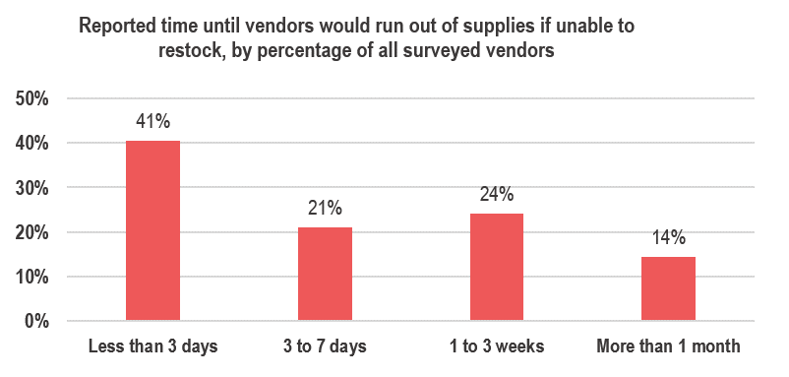

Compared to the previous round, a wider range of vendor types in Aleppo governorate reported that they would be unable to restock if their supply was cut. Vendor types who reported this for the first time (round 3) in Aleppo included general food shop vendors, fuel suppliers, and hygiene item vendors.
Pharmacists in Idleb most commonly reported the inbility to restock, and reported it more commonly this round (from 22% last round to 39% this round).

